Solasta
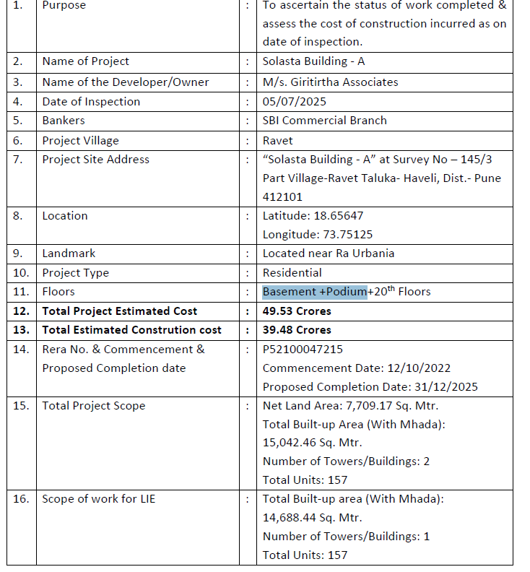
CONSTRUCTION | START | END DATE
ACTIVITY | DATE
Excavation | Mar-23 | Apr-23
Plinth | Mar-23 | Apr-23
RCC work | Jan-23 | Jan-24
Brick Work | May-23 | May-24
Internal Plaster | Aug-23 | Jun-24
External plaster | May-24 | Nov-24
Flooring And Tiling Work | Nov-24 | Apr-25
Water Proofing | Oct-23 | Apr-25
Plumbing And Drainages Work | Sep-23 | Nov-24
Electric Work | Jun-23 | Dec-23
Fabrication | Jul-23 | Jul-24
Fire Fighting | Nov-24 | Apl-25
VDO Door, phone And Frame | Nov-24 | Feb-25
Window & Fitting | Nov-24 | Mar-25
Amenities | Jan-25 | Jul-25
Painting Work | Jul-24 | Dec-25
(Internal And External)
Lift | Jan-25 | Jul-25
Application for OC and | Sep-25 | Dec-25
Other completion
formalities

Aura Avenue
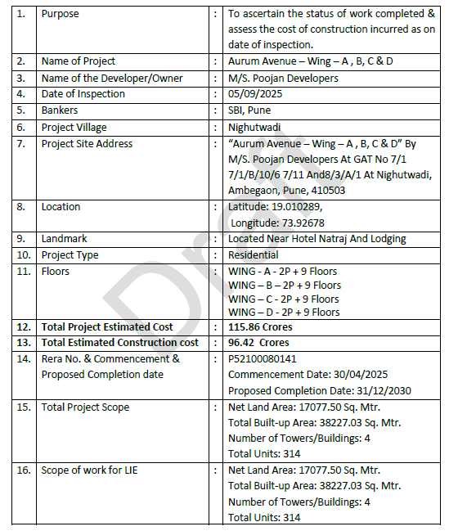
S. No. | Activity/Particulars | Start Date | End Date
1 | Excavation | Jun-25 | Oct-25
2 | Plinth | Oct-25 | Dec-25
3 | RCC | Dec-25 | Dec-26
4 | Block-work | Jan-26 | Feb-27
5 | Internal Plaster | Feb-26 | Mar-27
6 | External Plaster | Jan-27 | Jan-28
7 | Water Proofing | Jan-27 | Jan-28
8 | Flooring & Tiling Work | Feb-26 | May-28
9 | Electrical | Jun-26 | May-28
10 | Plumbing & Drainage Works | Jul-26 | May-28
11 | Fire Fighting | Aug-26 | Jun-28
12 | Lift | May-28 | Aug-28
13 | Aluminium Window | Jan-28 | May-28
14 | VDO Door, Phone & Frame | Mar-28 | Jun-28
15 | Fabrication | Feb-27 | Apr-28
16 | False Ceiling | Jul-27 | Mar-28
17 | Painting | Feb-28 | Aug-28
18 | Amenities | Jun-28 | Sep-28

